Station list screen
EcoBike Rental |  | Date of creation | Approved by | Reviewed by | Persion in charge
Screen sprcification | Station screen | 2020-12-10 |  |  | Lại Tiến Đức
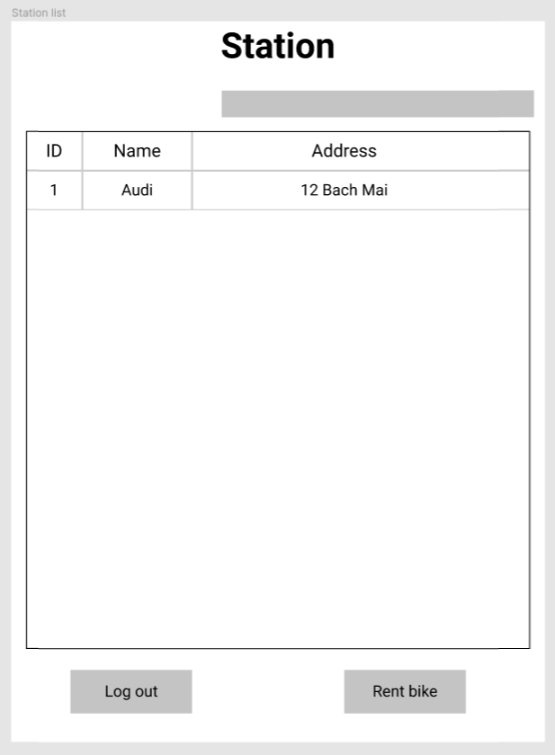 |  | Control | Operation | Function
 |  | search text field | initial | search station
 |  | Area for displaying station | initial | display all station
 |  | row in table | click | display station detail
 |  | Logout button | click | logout of app
 |  | Rent bike button | click | Display rent bike screen

Home
OMS |  | Date of creation | Approved by | Reviewed by | Persion in charge
Screen sprcification | home screen |  |  |  | Lại Tiến Đức
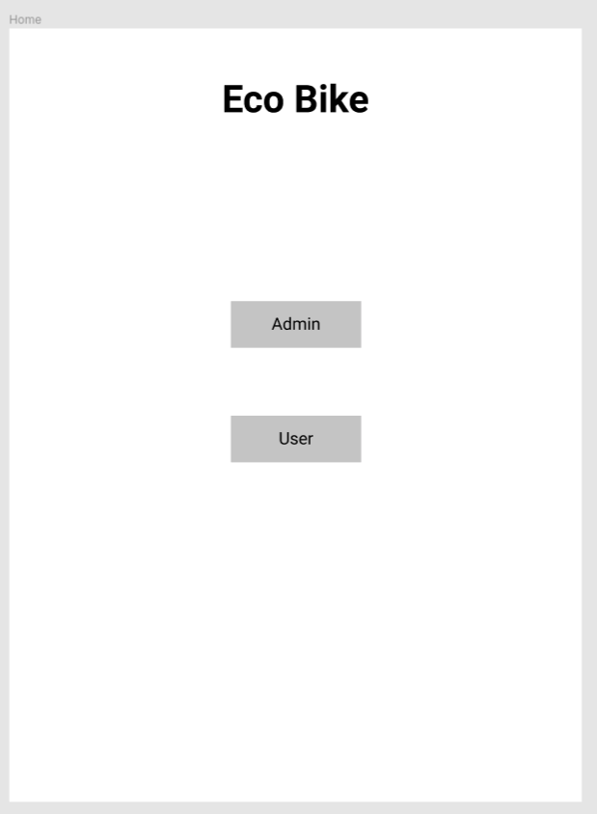 |  | Control | Operation | Function
 |  | Admin button | click | Display admin screen
 |  | User button | click | Display user screen

Station detail screen
EcoBike Rental |  | Date of creation | Approved by | Reviewed by | Persion in charge
Screen sprcification | station detail screen | 2020-12-10 |  |  | Lại Tiến Đức
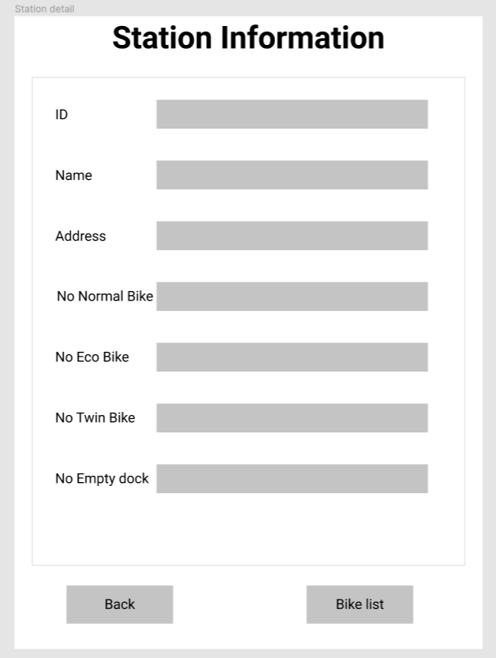 |  | Control | Operation | Function
 |  | Area for displaying station information | initial | display all information of station, and disable;
 |  | back button | click | back to station list screen
 |  | bike list button | click | Display all bike in station screen

Bike list screen
EcoBike Rental |  | Date of creation | Approved by | Reviewed by | Persion in charge
Screen sprcification | bike screen | 2020-12-10 |  |  | Lại Tiến Đức
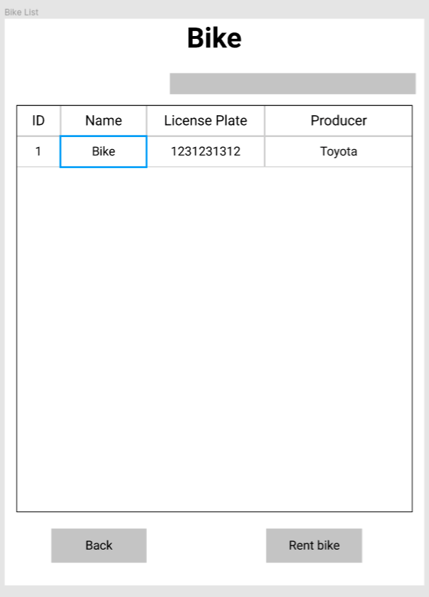 |  | Control | Operation | Function
 |  | search text field | initial | search bike
 |  | Area for displaying bike | initial | display all bike
 |  | back button | click | back to station detail screen
 |  | Rent bike button | click | Display rent bike screen
 |  | Row in table | click | Display bike detail screen

Bike detail screen
EcoBike Rental |  | Date of creation | Approved by | Reviewed by | Persion in charge
Screen sprcification | bike detail screen | 2020-12-10 |  |  | Lại Tiến Đức
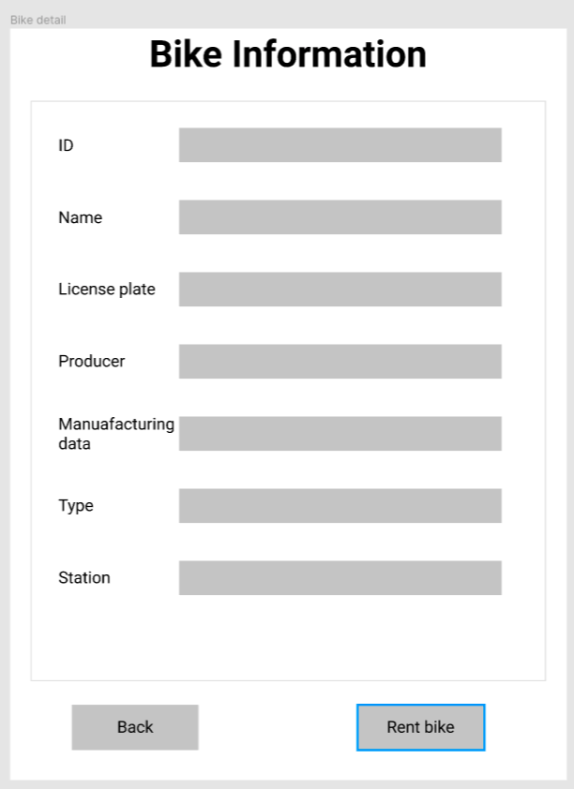 |  | Control | Operation | Function
 |  | Area for displaying bike information | initial | display all information of bike, and disable;
 |  | back button | click | back to station list screen
 |  | Rent bike button | click | Display rent bike screen

Rent screen
EcoBike Rental |  | Date of creation | Approved by | Reviewed by | Persion in charge
Screen sprcification | rent bike screen | 2020-12-10 |  |  | Lại Tiến Đức
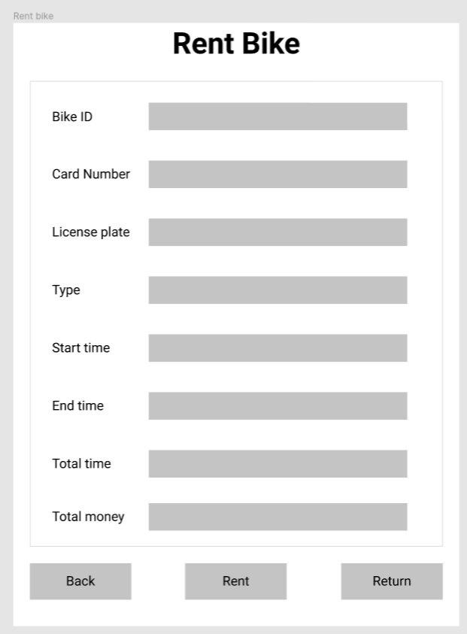 |  | Control | Operation | Function
 |  | bike id input | initial | Enter bike id to rent
 |  | card number | initial | Enter credit card to rent
 |  | back button | click | back to station list screen
 |  | area for displaying renting bike information |  | display information of renting bike after user rent
 |  | Rent button | click | rent bike
 |  | return bike | click | return bike

Return screen
EcoBike Rental |  | Date of creation | Approved by | Reviewed by | Persion in charge
Screen sprcification | return bike screen | 2020-12-10 |  |  | Lại Tiến Đức
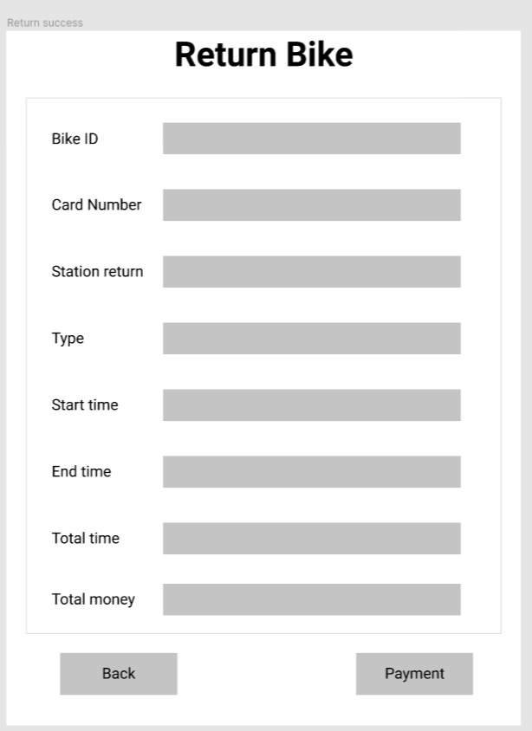 |  | Control | Operation | Function
 |  | back button | click | back to station list screen
 |  | area for displaying renting bike information | initial | display information of renting bike
 |  | Payment button | click | Display payment screen

